Guidance for staff and managers
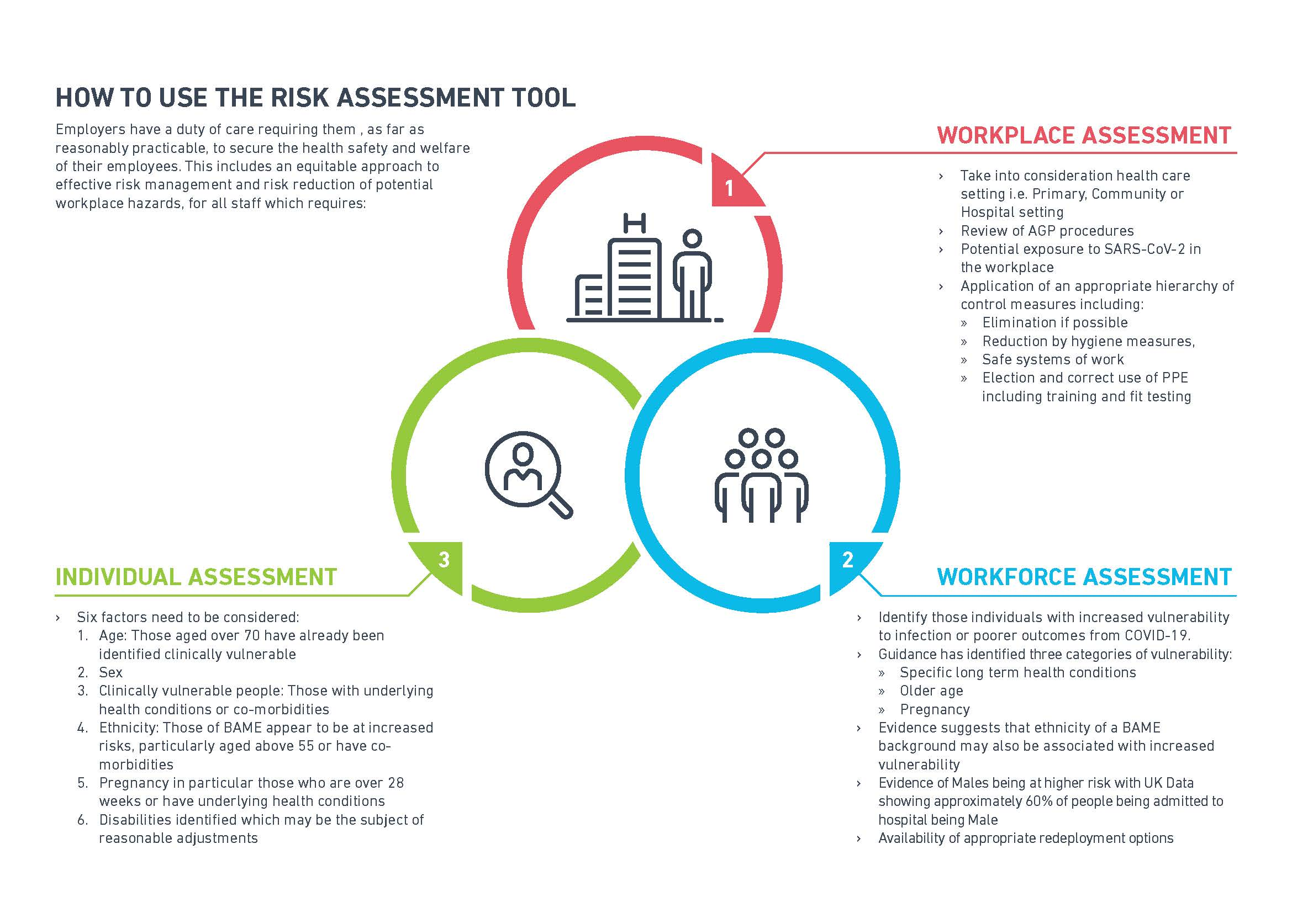
Guidance for staff and managers in the care and support sector: Individual workplace risk assessment conversations during COVID 19

The welfare and safety of all our employees is our main priority and as an employer, we have a duty of care, as far as is reasonably practicable, to ensure the health, safety and welfare of all employees wherever they work. This is particularly important for those individuals at highest risk of adverse outcomes. We also know how important this is to the families of colleagues who understandably want to be assured that we are doing everything possible to keep their loved ones safe.

To achieve this, we are asking all managers to offer a risk assessment conversation to all members of their team.

The guidance for these conversations is set out below and is based on national guidance (issued by the Faculty of Occupational Medicine). It sets out the risks for different groups of people in different settings and provides advice for employers and employees on how to reduce those risks.

The aim is to help managers and staff to have a supportive risk assessment conversation to understand any concerns, taking into account differing backgrounds, cultures and preferences. We want our staff to have the confidence to openly discuss their concerns with their managers and discuss together how those concerns can be mitigated, taking into account the workforce, workplace and the individual.

Confidentiality
Everyone has a right to confidentiality about any health condition they may have. To complete this risk assessment conversation, details of a specific condition (including pregnancy) are not needed. Staff can simply declare that they have a condition which is identified in the government’s ‘social distancing’ guidance or the ‘shielding’ advice. https://www.gov.uk/government/publications/staying-alert-and-safe-social-distancing/stayingalert-
and-safe-social-distancing
If an individual staff member chooses to discuss a specific health condition (including pregnancy) that is their choice – they must not feel that they have to disclose this information.

Risk Assessment Conversation
Managers should offer a risk assessment conversation to all members of their team as soon as possible. If it is not possible for the conversation to be between a member of staff and their immediate manager, then another manager from the same setting could be asked to hold the conversation.

Staff who are not offered a conversation are encouraged to ask their manager for one, particularly if they believe they fall into one of the following groups: included on the government list as “vulnerable” and/or BAME and/or pregnant and/or have any other concern.

· Before the initial risk assessment conversation, the employee should be encouraged to consider the risk assessment template. This will help identify their personal risks– there are 6 factors to consider: age; gender; underlying health conditions; ethnicity; pregnancy; disabilities.
· As part of the conversation, managers should consider the workplace environment, infection prevention & control - including hand hygiene, the correct use of PPE and any training that may be required, social distancing, and psychological health and wellbeing support. Additional resources to support infection control practice and psychological wellbeing are available in Buckinghamshire's Enhanced Offer for Care and Support Providers Care.
· The purpose of the conversation is to discuss and agree actions and reasonable adjustments that can be put in place to either remove or minimise risk. During the conversation, the risk assessment template should be completed. Following this the action plan should be completed to identify anything that can be done to reduce risk.
· If the risk assessment highlights concerns that cannot be mitigated or if the assessment shows an employee is at high risk, then the manager should consider referring to occupational health or getting more specialist advice. Support settings which don't have access to their own occupational health provision can currently access Buckinghamshire Council's PAM assist provision free of charge. Further details are provided in the enhanced offer: www.buckinghamshire.gov.uk/coronavirus/social-care-providers-hub/additional-support/covid-19-support-offer/
· Managers should keep a local record of the conversation, which should also be shared with the employee. The risk assessment should be reviewed and updated on a regular basis.

This risk assessment has been adapted by the Buckinghamshire Integrated Care Partnership from a document created by Buckinghamshire Healthcare NHS Trust for their own workface. Updated versions may be issued as new evidence becomes available and any new national guidance is issued.

